Supplementary Figure 4a
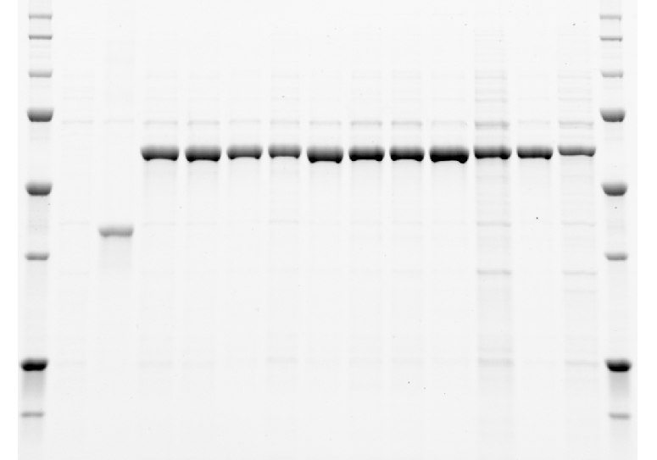
Supplementary Figure 4a. SDS-PAGE of the recombinant proteins purified from E. coli and used in the in vitro assays.
SDS gels were imaged in a Bio-Rad ChemiDoc™ MP imaging system. The saved images are presented.

Uncropped version of the SDS-PAGE gel of the empty vector, ERG20p, SfCinS1 wt and mutants, and ClLimS wt and mutants.
The marked region was cropped and used in Supplementary Figure 4a.

Supplementary Figure 7
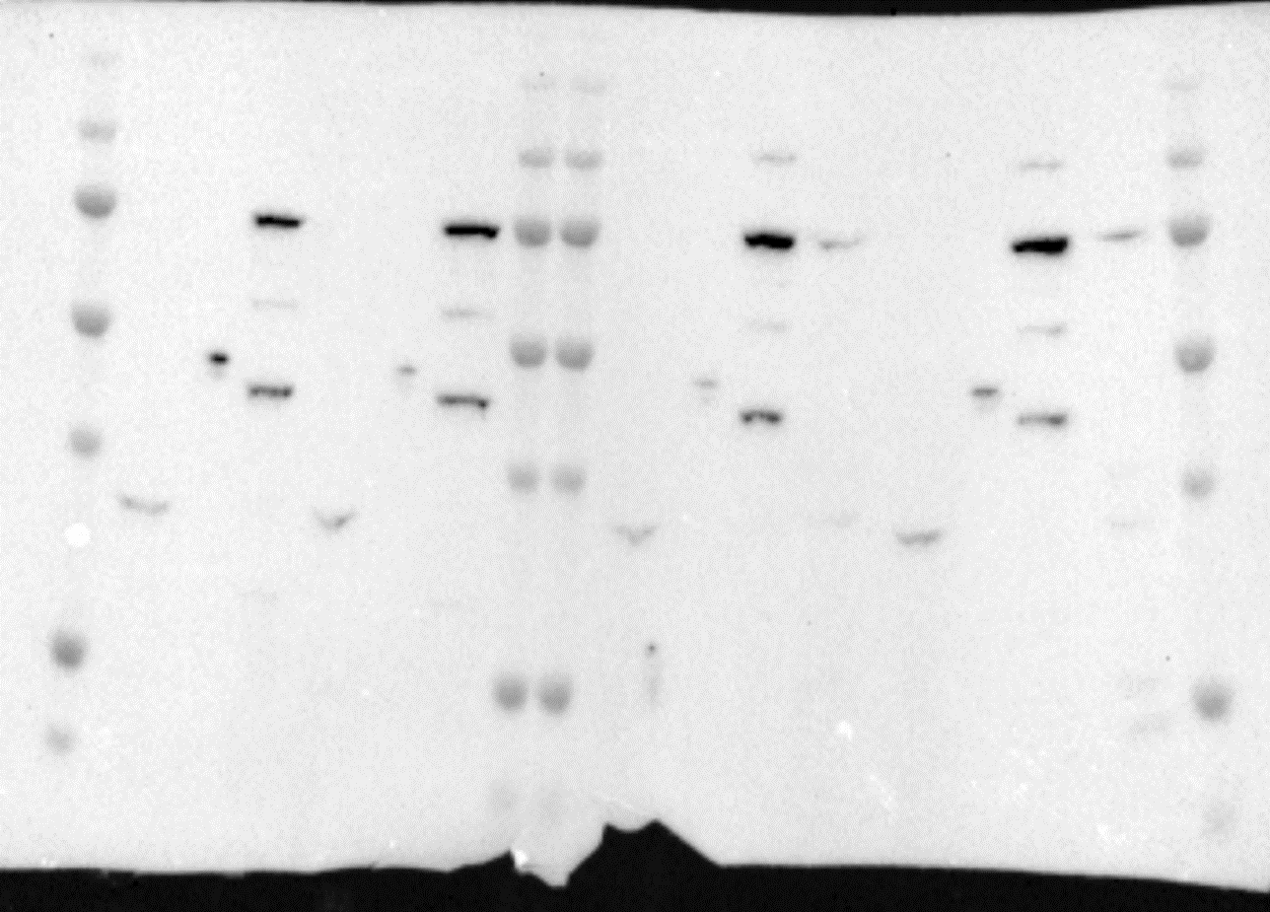
Supplementary Figure 7. Uncropped version of the western blot analysis of myc-tagged SlNPPS1, Erg20p(N127W) and two fusion proteins in different orientation, Erg20p(N127W)-SlNPPS1 and SlNPPS1-Erg20p(N127W) fusion.
Western blot was imaged in a Bio-Rad ChemiDoc™ MP imaging system. The saved image is presented.
The marked region was cropped and presented in Supplementary Figure 7.

Supplementary Figure 12a
Supplementary Figure 12a

Calculation of labeled/unlabeled limonene ratio in samples resulted from a mixture of labeled/unlabeled precursors

First we measure all the mass intensities of two unlabeled and labeled Limonene peaks made from substrates that is either unlabeled (NPP) or labeled with 2 13C atoms (213C-GPP)
There was a heavy presence of a -2H ion which complicates the analysis, as our equipment lacked the resolution to separate the masses of unlabeled and the labeled -2H ions in a mixed sample. In addition, there is the slight natural abundance of 13C in the unlabeled substrate.
The ratio between unlabeled and labeled limonene could therefore not accurately be calculated directly from the +2 shift in major mass ions such as 137 to 139. We instead look towards ions with as little overlap (signal-to-noise) as possible between the samples.

Mass spectra and signal intensities at each m/z for the two limonene samples:

95.0830
107.0842
121.0992
137.1301
153.1242
166.1206
179.1476
191.1769
207.2024
221.2236
83.0748
96.0851
109.0916
123.1061
139.1374
155.1317
168.1277
181.1576
193.1843
209.2071
223.2306
0.0
0.5
1.0
1.5
2.0
2.5
5
x10
Intens.
0.0
0.5
1.0
1.5
2.0
2.5
3.0
5
x10
80
100
120
140
160
180
200
220
m/z
mass spectra at max peak intensity of unlabeled Limonene peak from NPP
mass spectra at max peak intensity of labeled Limonene peak from 2¹³C-GPP
 | sample 1366 | sample 1370 |  | The ratio between the m/z intensities in the two samples will be used as an measure of signal-to-noise (S/N)
 | 40µM NPP | 40µM 13C-GPP
m/z | Unlabeled int. | Labeled int. |  | un/la (S/N) | la/un (S/N)
81.07 | 127683 | 11845 |  | 10.8 | 0.1
82.07 | 9173 | 44289 |  | 0.2 | 4.8
83.08 | 3816 | 95661 |  | 0.0 | 25.1

93.07 | 27749 | 1692 |  | 16.4 | 0.1
94.07 | 23813 | 11438 |  | 2.1 | 0.5
95.08 | 74298 | 41860 |  | 1.8 | 0.6
96.09 | 7112 | 66841 |  | 0.1 | 9.4
97.09 | 5635 | 31623 |  | 0.2 | 5.6

107.08 | 43983 | 6461 |  | 6.8 | 0.1
108.09 | 7226 | 16020 |  | 0.5 | 2.2
109.10 | 41961 | 35177 |  | 1.2 | 0.8
110.10 | 5620 | 19463 |  | 0.3 | 3.5
111.11 | 6611 | 30553 |  | 0.2 | 4.6

121.10 | 41953 | 4735 |  | 8.9 | 0.1
122.10 | 5216 | 8443 |  | 0.6 | 1.6
123.11 | 35210 | 37040 |  | 1.0 | 1.1
124.11 | 4964 | 22716 |  | 0.2 | 4.6
125.13 | 5576 | 18288 |  | 0.3 | 3.3

135.11 | 94896 | 4922 |  | 19.3 | 0.1
136.12 | 36868 | 9585 |  | 3.8 | 0.3
137.13 | 260676 | 101692 |  | 2.6 | 0.4
138.13 | 32063 | 56378 |  | 0.6 | 1.8
139.12 | 7732 | 293998 |  | 0.0 | 38.0
140.12 | 2044 | 28289 |  | 0.1 | 13.8

149.12 | 10565 | 1511 |  | 7.0 | 0.1
150.12 | 2746 | 3323 |  | 0.8 | 1.2
151.13 | 23321 | 9795 |  | 2.4 | 0.4
152.12 | 9830 | 6456 |  | 1.5 | 0.7
153.12 | 47205 | 22975 |  | 2.1 | 0.5
154.13 | 5369 | 10672 |  | 0.5 | 2.0
155.11 | 6481 | 50212 |  | 0.1 | 7.7

166.12 | 58292 | 3605 |  | 16.2 | 0.1
168.11 | 29978 | 59603 |  | 0.5 | 2.0
170.12 | 948 | 34910 |  | 0.0 | 36.8

177.16 | 9145 | 706 |  | 13.0 | 0.1
179.15 | 31552 | 10668 |  | 3.0 | 0.3
181.15 | 3519 | 29297 |  | 0.1 | 8.3

191.18 | 176750 | 2272 |  | 77.8 | 0.0
193.19 | 83095 | 175219 |  | 0.5 | 2.1
195.18 | 1526 | 81912 |  | 0.0 | 53.7

205.19 | 9164 | 513 |  | 17.9 | 0.1
207.20 | 9791 | 9065 |  | 1.1 | 0.9
209.19 | 364 | 9887 |  | 0.0 | 27.2

217.19 | 2212 | 1 |  | 2212.0 | 0.0
219.21 | 13688 | 969 |  | 14.1 | 0.1
221.22 | 41915 | 19233 |  | 2.2 | 0.5
223.23 | 893 | 44319 |  | 0.0 | 49.6

total intensity | 1490227 | 1586132
ratio in total int. | 1.064

Selected ion pairs based on best signal-to-noise (217/223 not chosen due to low intensity of 217 which will be a problem in lower concentrated samples)

m/z | Unlabeled int. | Labeled int. | un/la (S/N) | la/un (S/N)
135.11 | 94896 | 4922 | 19.3 | 0.1
139.12 | 7732 | 293998 | 0.0 | 38.0
166.12 | 58292 | 3605 | 16.2 | 0.1
170.12 | 948 | 34910 | 0.0 | 36.8
191.18 | 176750 | 2272 | 77.8 | 0.0
195.18 | 1526 | 81912 | 0.0 | 53.7
205.19 | 9164 | 513 | 17.9 | 0.1
209.19 | 364 | 9887 | 0.0 | 27.2

Normalized numbers by total intensity in each sample so the ions are relative to the limonene quantity and can be used to calculate the relative contribution to the limonene

m/z | Unlabeled int. | Labeled int. | un/la (S/N) | la/un (S/N) | combined S/N | un/la ion ratio multiplier
135.11 | 101003 | 4922 | 20.52 | 0.05 | 733 | 0.344
139.12 | 8230 | 293998 | 0.03 | 35.72
166.12 | 62043 | 3605 | 17.21 | 0.06 | 595 | 1.777
170.12 | 1009 | 34910 | 0.03 | 34.60
191.18 | 188125 | 2272 | 82.80 | 0.01 | 4176 | 2.297
195.18 | 1624 | 81912 | 0.02 | 50.43
205.19 | 9754 | 513 | 19.01 | 0.05 | 485 | 0.987
209.19 | 387 | 9887 | 0.04 | 25.52

 |  |  |  | total | 5989.596

The "combined S/N" signal to noise is used as a measure of the quality of the ions in order to make an weighted average of labeled/unlabeled ratio later

The un/la ion ratio multiplier, is a multiplier for the labeled ion (139,170,195,209), which will make it equal to the unlabeled ion (135,139,191,205), when labeled and unlabeled limonene is at equal concentration.

After applying the multiplier to an labeled ion, it can be compared directly with the unlabeled ion and the ratio between them calculated.

Calculation of labeled to unlabeled ratio using ion intensities from the unlabeled NPP sample using the new formula:

m/z | Ion Intensity |  | % labeled
135.11 | 94896 |  | 2.7%
139.12 | 7732
166.12 | 58292 |  | 2.8%
170.12 | 948
191.18 | 176750 |  | 1.9%
195.18 | 1526
205.19 | 9164 |  | 3.8%
209.19 | 364

 |  |  | % labeled | % unlabeled | weighted* STD ERROR
 |  | weighted average* | 2.3% | 97.7% | 0.6%
 |  | *using combined S/N as weighing

Formulas updated with constants for the multipliers and weights using only Intensities as variables for easy transfer to other excel sheets

m/z | Ion Intensity
135.11 | 94896
139.12 | 7732 |  | 2.7%
166.12 | 58292
170.12 | 948 |  | 2.8%
191.18 | 176750
195.18 | 1526 |  | 1.9%
205.19 | 9164
209.19 | 364 |  | 3.8%

 |  |  | % labeled | % unlabeled | weighted STD ERROR
 |  | weighted average | 2.3% | 97.7% | 0.6%

Calculation using the labeled 213C-GPP spectra

m/z | Ion Intensity
135.11 | 4922
139.12 | 293998 |  | 95.4%
166.12 | 3605
170.12 | 34910 |  | 94.5%
191.18 | 2272
195.18 | 81912 |  | 98.8%
205.19 | 513
209.19 | 9887 |  | 95.0%

 |  |  | % labeled | % unlabeled | weighted STD ERROR
 |  | weighted average | 97.6% | 2.4% | 1.8%

Calculation on a mixed Limonene peak from made by LimS from 20 µM NPP+20 µM 213C-GPP

m/z | Ion Intensity
135.11 | 12102
139.12 | 21811 |  | 38.2%
166.12 | 12682
170.12 | 4291 |  | 37.6%
191.18 | 27283
195.18 | 6785 |  | 36.4%
205.19 | 1700
209.19 | 708 |  | 29.1%

 |  |  | % labeled | % unlabeled | weighted STD ERROR
 |  | weighted average | 36.1% | 63.9% | 2.2%

Supplementary Fig. 12 a
Enzymatic reactions using the yeast extract of AM94 + ClLimSwt + Erg20p cells
Substrates added in all reactions: 40 µM DMAPP, 120 µM IPP

substrates [µM] |  |  | limonene % from
13C-NPP | GPP | 13C-NPP/GPP | 13C-NPP | GPP
0 | 40 | 0 | 0.01 | 0.99
4 | 36 | 0.1 | 0.56 | 0.44
6 | 34 | 0.15 | 0.70 | 0.30
10 | 30 | 0.25 | 0.85 | 0.15
14 | 26 | 0.35 | 0.87 | 0.13
20 | 20 | 0.5 | 0.91 | 0.09
26 | 14 | 0.65 | 0.93 | 0.07
40 | 0 | 1 | 0.96 | 0.04

Detailed calculation of % of limonene produced from 13C-NPP or GPP

qTOF analysis

Enzymatic reactions using the yeast extract of AM94 + ClLimSwt + Erg20p cells

Substrates added in all reactions: 40 µM DMAPP, 120 µM IPP
Additional substrates:

Reaction 1. | 0 µM 13C-NPP | 40 µM GPP
m/z | Intensity | %
135.11 | 9665
139.12 | 100 | 0%
166.12 | 9193
170.12 | 100 | 2%
191.18 | 29335
195.18 | 100 | 1%
205.19 | 1811
209.19 | 100 | 5%

 | TIC area | % labeled | % unlabled | STD ERROR
weighted average | 295418 | 1% | 99% | 1.2%

Reaction 2. | 4 µM 13C-NPP | 36 µM GPP
m/z | Intensity | %
135.11 | 1300
139.12 | 4602 | 55%
166.12 | 1178
170.12 | 885 | 57%
191.18 | 3308
195.18 | 1804 | 56%
205.19
209.19

 | TIC area | % labeled | % unlabled | STD ERROR
weighted average | 407324 | 56% | 44% | 0.6%

Reaction 3. | 6 µM 13C-NPP | 34 µM GPP
m/z | Intensity | %
135.11 | 6387
139.12 | 32121 | 63%
166.12 | 4265
170.12 | 5348 | 69%
191.18 | 13872
195.18 | 15626 | 72%
205.19 | 1014
209.19 | 2104 | 67%

 | TIC area | % labeled | % unlabled | STD ERROR
weighted average | 491252 | 70% | 30% | 3.0%

Reaction 4. | 10 µM 13C-NPP | 30 µM GPP
m/z | Intensity | %
135.11 | 5321
139.12 | 63108 | 80%
166.12 | 3762
170.12 | 10546 | 83%
191.18 | 12936
195.18 | 33214 | 86%
205.19 | 521
209.19 | 3127 | 86%

 | TIC area | % labeled | % unlabled | STD ERROR
weighted average | 886476 | 85% | 15% | 1.8%

Reaction 5. | 14 µM 13C-NPP | 26 µM GPP
m/z | Intensity | %
135.11 | 5717
139.12 | 85846 | 84%
166.12 | 2548
170.12 | 16161 | 92%
191.18 | 13930
195.18 | 42325 | 87%
205.19 | 703
209.19 | 4416 | 86%

 | TIC area | % labeled | % unlabled | STD ERROR
weighted average | 1175727 | 87% | 13% | 1.9%

Reaction 6. | 20 µM 13C-NPP | 20 µM GPP
m/z | Intensity | %
135.11 | 7812
139.12 | 124101 | 85%
166.12 | 2630
170.12 | 16332 | 92%
191.18 | 10970
195.18 | 57912 | 92%
205.19 | 540
209.19 | 7426 | 93%

 | TIC area | % labeled | % unlabled | STD ERROR
weighted average | 1590299 | 91% | 9% | 2.6%

Reaction 7. | 26 µM 13C-NPP | 14 µM GPP
m/z | Intensity | %
135.11 | 4988
139.12 | 140259 | 91%
166.12 | 2817
170.12 | 21113 | 93%
191.18 | 5767
195.18 | 41076 | 94%
205.19 | 683
209.19 | 3732 | 84%

 | TIC area | % labeled | % unlabled | STD ERROR
weighted average | 1578283 | 93% | 7% | 2.8%

Reaction 8. | 40 µM 13C-NPP | 0 µM GPP
m/z | Intensity | %
135.11 | 5550
139.12 | 229749 | 93%
166.12 | 2812
170.12 | 27124 | 94%
191.18 | 4303
195.18 | 66148 | 97%
205.19 | 1119
209.19 | 7911 | 87%

 | TIC area | % labeled | % unlabled | STD ERROR
weighted average | 2398854 | 96% | 4% | 2.8%

